PlanarityTolerance
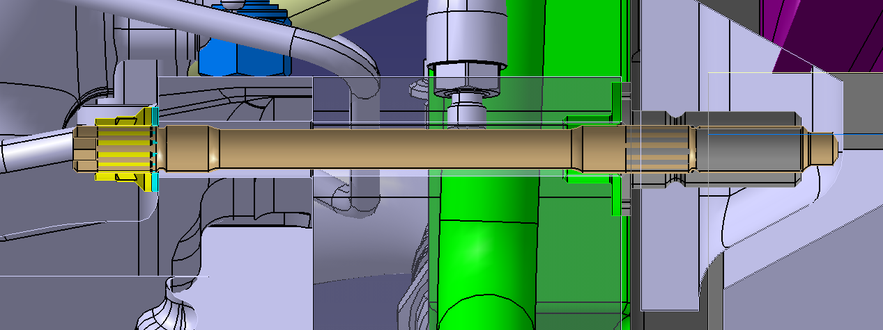
Timing cover planarity estimation
 | Minimum material | Maximum material
Monocoque | -0.05 | 0.05
Threaded bush | -0.02 | 0.02
Engine top Hat | -0.02 | 0.02
Timing cover | -0.05 | 0.05
Total | -0.14 | 0.14

Misalignment stress

Clamp length | 160 | mm
Worst case misalignment | 0.28 | mm
Worst case misalignment | 0.0017500008932 | rad
Worst case misalignment | 0.10026766533 | deg

Stud characteristics
Stud young modulus | 210000 | MPa
Stud diameter 1 | 11 | mm
Inertia section 1 | 718.68840689 | mm^4
Stud length 1 | 108 | mm
Stud diameter 2 | 13 | mm
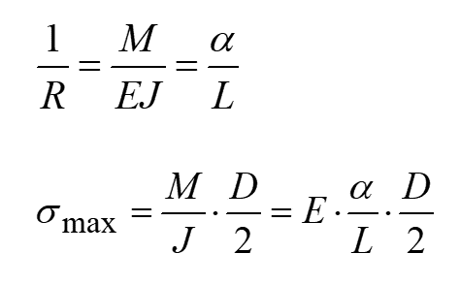
Inertia section 2 | 1401.984809 | mm^4
Stud length 2 | 121 | mm

Stress
Stress section 1 | 18.7 | MPa
Stress section 2 | 19.7 | MPa

PositionTolerance
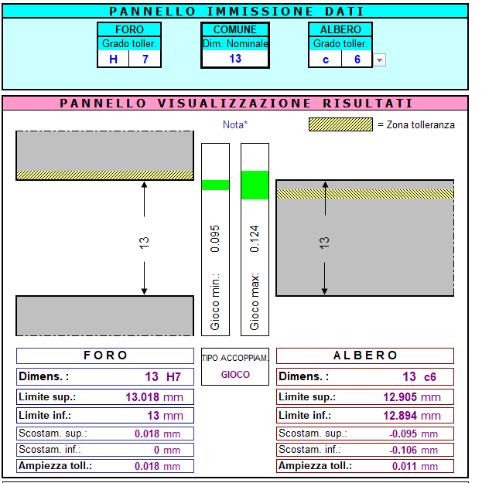
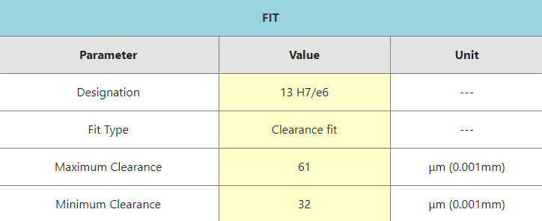
Monocoque position tolerance | 0.05 | mm
Timing cover position tolerance | 0.05 | mm
Bushing max diam | 13.018 | mm | H7
Bushing min diam | 13 | mm
Stud min diam | 12.894 | mm | c6
Stud max diam | 12.905 | mm

MMVS bushing | 12.95 | mm
LMVS bushing | 12.968 | mm
MMVS stud | 12.955 | mm
LMVS stud | 12.944 | mm

MMC | -0.005 | mm
LMC | 0.024 | mm

